Solved
obs | y | x1 | x2 | d |  |  | Step 1: | Visually Inspect the data- Write H0 and H1 in terms of Coefficients
1 | 25 | 1 | 1 | 0
2 | 24 | 2 | 0 | 0
3 | 22.3 | 3 | 0 | 0
4 | 23.1 | 4 | 0 | 0
5 | 21 | 5 | 0 | 0
6 | 20 | 6 | 1 | 0
7 | 20.5 | 7 | 1 | 0
8 | 18 | 8 | 1 | 0
9 | 18.1 | 9 | 1 | 0
10 | 17.8 | 10 | 0 | 0
11 | 17 | 11 | 0 | 0
12 | 5 | 12 | 0 | 1
13 | 5.5 | 13 | 0 | 1
14 | 5.2 | 14 | 1 | 1
15 | 6.3 | 15 | 1 | 1
16 | 7.1 | 16 | 1 | 1
17 | 6.5 | 17 | 1 | 1
18 | 6.9 | 18 | 0 | 1
19 | 6.8 | 19 | 0 | 1
20 | 8 | 20 | 0 | 1

To find if there is a structural break - METHOD 1
Step 2: | Run the regressions and get RSSR, RSS1, RSS2

Step 3: | Estimate the F-statistic
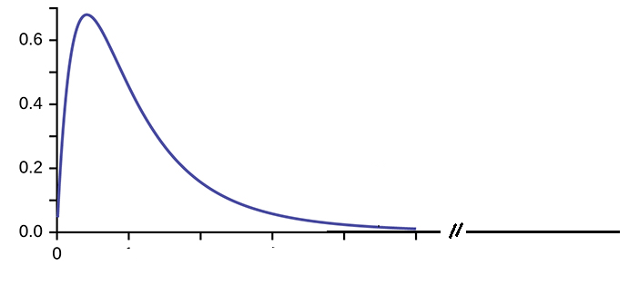
RSSR | 184.777351 | Fest= | 168.95977619 |  | Fcr(0.05,3,14)= |  | 3.3439
RSS1 | 3.66111888 |  |  |  |  |  | 3.3438886781 | 0.00000000000127
RSS2 | 1.30525773
k= | 3
T= | 20

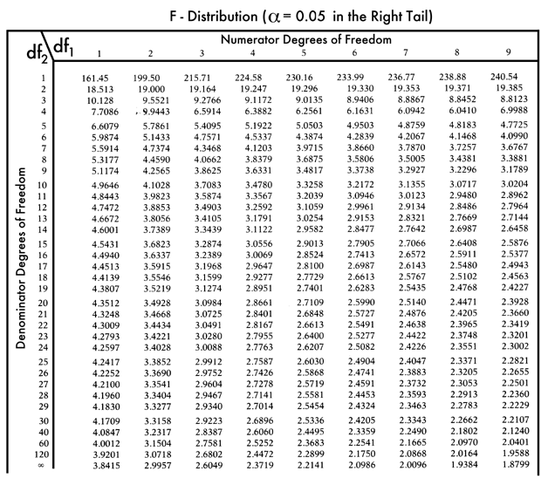

To find if there is a structural break - METHOD 2 (Test for Restrictions - the long way)
Step 4: | Replicate the results using a test for restrictions in Stata: Write Unrestricted and Restricted Model

Unrestricted Model

 | Unre

 | rest

 |  |  | RSSR | 184.777351 | Fest= | 168.95977619 |  | Fcr | 3.3438886781
 |  |  | RSSU | 4.96637661
 |  |  | q | 3
 |  |  | n | 20
 |  |  | k | 6

To find if there is a structural break - METHOD 2 (Test for Restrictions - the short way)
Step 5: | Replicate the results using a test for restrictions in Stata: Write Unrestricted and Restricted Model
last command in Stata

Step 6: | Replicate the analysis yourselves. Files Available in the Website
Excel File
Do file

